Sheet1
Figure 4.13 Juriusdictions with implemented sugar sweetened beverage taxes
Source: Prepared using data from the NOURISHING database, academic references and market reports.
Note: Data as of 17th September 2018.
United States (US) sub-national jurisdictions include: Albany, California; Berkeley, California; Boulder, Colorado; Oakland, California; Seattle, Washington; Philadelphia, Pennsylvania; San Francisco, California; Navajo Nation. Non-US sub-national jurisdiction include: the Catalonian Region of Spain.

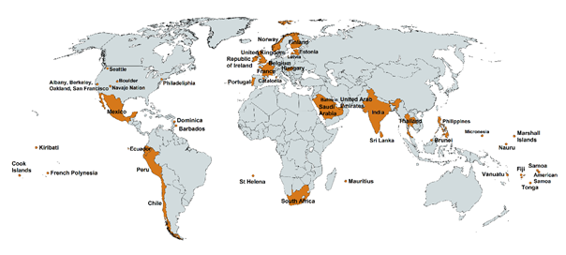
 | Countries with an implemented tax
 | American Samoa | ASM | Yes
 | Bahrain | BHR | Yes
 | Barbados | BRB | Yes
 | Belgium | BEL | Yes
 | Brunei | BRN | Yes
 | Chile | CHL | Yes
 | Cook Islands | COK | Yes
 | Dominica | DMA | Yes
 | Ecuador | ECU | Yes
 | Estonia | EST | Yes
 | Fiji | FJI | Yes
 | Finland | FIN | Yes
 | France | FRA | Yes
 | French Polynesia | PYF | Yes
 | Hungary | HUN | Yes
 | India | IND | Yes
 | Ireland | IRL | Yes
 | Kiribati | KIR | Yes
 | Latvia | LVA | Yes
 | Mauritius | MUS | Yes
 | Mexico | MEX | Yes
 | Micronesia | FSM | Yes
 | Nauru | NRU | Yes
 | Norway | NOR | Yes
 | Philippines | PHL | Yes
 | Portugal | PRT | Yes
 | Peru | PER | Yes
 | Marshall Islands | MHL | Yes
 | Samoa | WSM | Yes
 | Saudi Arabia | SAU | Yes
 | South Africa | ZAF | Yes
 | Sri Lanka | LKA | Yes
 | St Helena | SHN | Yes
 | Thailand | THA | Yes
 | Tonga | TON | Yes
 | United Arab Emirates | ARE | Yes
 | United Kingdom | GBR | Yes
 | Vanuatu | VUT | Yes

